Run #1
Status : | Approved
Category : | Dairy products |  |  |  |  |  |  |  | Results summary |  |  |  |  |  |  |  |  |  |  |  |  |  |  | Broth screening qPCR results |  |  |  |  |  |  |  |  |  | Pool screening results |  |  |  |  |  |  |  |  |  |  |  |  | Colony screening result - VT |  |  |  |  |  |  |  |  |  |  |  |  |  |  |  |  |  |  |  |  |  | CF qPCR result
Type : | Raw
Food items : | Alfred le Fermier, Brie de Meaux
Incub. Time : | 18h |  |  |  |  |  |  |  |  |  |  |  |  |  |  |  |  |  |  |  |  |  |  |  |  |  |  |  |  |  |  |  |  |  |  |  |  |  |  |  |  |  |  |  |  |  | Run #1 |  |  |  |  |  |  |  |  |  |  |  | Run #2
 |  |  |  |  |  |  |  |  |  |  |  | vt qPCR |  |  |  |  |  |  | Confirmation of neg. Samples |  | Sample Status |  |  | SGIL | Instagene (1) |  | PureGene (2) |  |  |  |  |  |  | SGIL | Pool #1 - Rainbow |  | Pool #2 - MAC-T (1) |  | Pool #3 - Rainbow |  | Pool #4 Rainbow |  | Pool #5 - Rainbow |  | Pool #6 Rainbow |  | SGIL | Pool | Colony 1 |  | Colony 2 |  | Colony 3 |  | Colony 4 |  | Colony 5 |  | Colony 6 |  | Colony 7 |  | Colony 8 |  | Colony 9 |  | Colony 10 |  | SGIL | Pool | Colony | CF qPCR
Sample Details |  |  |  |  |  |  |  |  | SGIL | Matrix | Level | Broth - Insta | Broth - Pgene | Pools | Colonies | CF qPCR | VITEK | Method result | Rainbow -4 sweep | MAC-T investig. | Broth screening | Isolation |  |  | FAM | HEX | FAM | HEX |  |  |  |  |  |  | FAM | HEX | FAM | HEX | FAM | HEX | FAM | HEX | FAM | HEX | FAM | HEX |  |  | FAM | HEX | FAM | HEX | FAM | HEX | FAM | HEX | FAM | HEX | FAM | HEX | FAM | HEX | FAM | HEX | FAM | HEX | FAM | HEX |  |  |  | FAM | HEX
Date of spiking |  |  |  | 2024-02-16 |  |  |  |  | 2023-04025 | Alfred le Fermier | Negative | - | - | - | n/a | n/a | n/a | Negative | - | n/a | TN | TN |  | 2023-04025 | No amp. | 28.9 | No amp. | 28.4 |  | Mean Ct - Unspiked |  |  |  | 2023-04025 | No amp. | 31.7 | No amp. | 31.7 | No amp. | ND | No amp. | ND | No amp. | ND | No amp. | ND | 2023-04025 | n/a |  |  |  |  |  |  |  |  |  |  |  |  |  |  |  |  |  |  |  |  | 2023-04025
Analysis start date |  |  |  | 2024-02-19 |  |  |  |  | 2023-04026 | Alfred le Fermier | Negative | - | - | - | n/a | n/a | n/a | Negative | - | n/a | TN | TN |  | 2023-04026 | No amp. | 32.6 | No amp. | 28.5 |  | Instagene |  | PureGene |  | 2023-04026 | No amp. | 31.6 | No amp. | 31.5 | No amp. | ND | No amp. | ND | No amp. | ND | No amp. | ND | 2023-04026 | n/a |  |  |  |  |  |  |  |  |  |  |  |  |  |  |  |  |  |  |  |  | 2023-04026
Sample Size |  |  |  | 25 g |  |  |  |  | 2023-04027 | Alfred le Fermier | Negative | - | - | - | n/a | n/a | n/a | Negative | - | n/a | TN | TN |  | 2023-04027 | No amp. | 28.6 | No amp. | 29.1 | Alfred | FAM | HEX | FAM | HEX | 2023-04027 | No amp. | 31.6 | No amp. | 31.6 | No amp. | 28.7 | No amp. | 28.6 | No amp. | 28.5 | No amp. | 28.6 | 2023-04027 | n/a |  |  |  |  |  |  |  |  |  |  |  |  |  |  |  |  |  |  |  |  | 2023-04027
Food Item #1 background microflora concentration |  |  |  | Alfred le Fermier : 5.5E+05 CFU/g |  |  |  |  | 2023-04028 | Brie de Meaux | Negative | - | - | - | n/a | n/a | n/a | Negative | - | n/a | TN | TN |  | 2023-04028 | No amp. | 28.6 | No amp. | 29.0 | AlfFred | n/a | 30.05 | n/a | 28.66 | 2023-04028 | No amp. | 31.5 | No amp. | 31.6 | No amp. | 28.7 | No amp. | 28.6 | No amp. | 29.6 | No amp. | 28.7 | 2023-04028 | n/a |  |  |  |  |  |  |  |  |  |  |  |  |  |  |  |  |  |  |  |  | 2023-04028
Food Item #2 background microflora concentration |  |  |  | Brie de Meaux : 5.5E+08 CFU/g |  |  |  |  | 2023-04029 | Brie de Meaux | Negative | - | - | - | n/a | n/a | n/a | Negative | - | n/a | TN | TN |  | 2023-04029 | No amp. | 28.3 | No amp. | 29.0 | Brie | n/a | 28.43 | n/a | 28.99 | 2023-04029 | No amp. | 31.5 | No amp. | 31.6 | No amp. | 28.6 | No amp. | 28.4 | No amp. | 28.6 | No amp. | 28.8 | 2023-04029 | n/a |  |  |  |  |  |  |  |  |  |  |  |  |  |  |  |  |  |  |  |  | 2023-04029
Method used to determine sample background microflora |  |  |  | MFHPB-18 : PCA, 35°C, 48h |  |  |  |  | 2023-04030 | Alfred le Fermier | 5.2 CFU/25 g | + | + | + | + | + | n/a | Positive | n/a | n/a | TP | TP |  | 2023-04030 | 22.3 | 27.9 | 19.9 | 29.5 |  |  |  |  |  | 2023-04030 | No amp. | 31.6 | 18.0 | 33.5 |  |  |  |  |  |  |  |  | 2023-04030 | 2 | 18.84 | 27.3 | 17.36 | 29.7 | 20.03 | 28.0 | 18.53 | 28.4 | No amp. | 26.6 |  |  |  |  |  |  |  |  |  |  | 2023-04030 | 2 | 1 | 19.0 | 21.5
 |  |  |  |  |  |  |  |  | 2023-04031 | Alfred le Fermier | 5.2 CFU/25 g | + | + | + | + | + | n/a | Positive | n/a | n/a | TP | TP |  | 2023-04031 | 22.4 | 27.8 | 19.9 | 29.7 |  |  |  |  |  | 2023-04031 | 18.5 | 33.4 | 17.7 | 33.8 |  |  |  |  |  |  |  |  | 2023-04031 | 1 | 26.32 | 26.3 | No amp. | 26.7 | 17.99 | 28.5 | No amp. | 27.0 | No amp. | 26.8 |  |  |  |  |  |  |  |  |  |  | 2023-04031 | 1 | 1 | 21.1 | 21.4
Inoculum Details |  |  |  |  |  |  |  |  | 2023-04032 | Alfred le Fermier | 5.2 CFU/25 g | + | + | + | + | + | n/a | Positive | n/a | n/a | TP | TP |  | 2023-04032 | 21.2 | 31.2 | 18.9 | 29.4 |  |  |  |  |  | 2023-04032 | 17.2 | 33.5 | 18.2 | 33.9 |  |  |  |  |  |  |  |  | 2023-04032 | 1 | 17.32 | 28.7 | No amp. | 26.9 | 17.53 | 29.0 | 20.11 | 27.4 | 18.59 | 27.6 |  |  |  |  |  |  |  |  |  |  | 2023-04032 | 1 | 1 | 18.0 | 20.9
Strain ID |  |  |  | # BMH-13-0001, O157:H7, vtx1, stx2, eae |  |  |  |  | 2023-04033 | Alfred le Fermier | 5.2 CFU/25 g | + | + | + | + | + | n/a | Positive | n/a | n/a | TP | TP |  | 2023-04033 | 22.5 | 30.5 | 20.7 | 29.6 |  |  |  |  |  | 2023-04033 | 20.5 | 32.2 | 17.9 | 33.5 |  |  |  |  |  |  |  |  | 2023-04033 | 1 | 18.20 | 28.1 | No amp. | 26.4 | No amp. | 25.9 | No amp. | 26.3 | No amp. | 26.6 |  |  |  |  |  |  |  |  |  |  | 2023-04033 | 1 | 1 | 18.1 | 20.7
Strain source (time of isolation, source commodity, geographic region of origin) |  |  |  | Raw milk cheese |  |  |  |  | 2023-04034 | Alfred le Fermier | 5.2 CFU/25 g | + | + | + | + | + | n/a | Positive | n/a | n/a | TP | TP |  | 2023-04034 | 21.8 | 30.0 | 20.1 | 30.6 |  |  |  |  |  | 2023-04034 | No amp. | 31.6 | 17.9 | 33.2 |  |  |  |  |  |  |  |  | 2023-04034 | 2 | 17.79 | 28.9 | 20.36 | 27.0 | 22.23 | 27.3 | 17.90 | 28.7 | 18.15 | 28.2 |  |  |  |  |  |  |  |  |  |  | 2023-04034 | 2 | 1 | 18.1 | 21.0
Concentration of inoculum, volume used to spike: |  |  |  | Target = 5 CFU/100 µl; Actual = 5.2 CFU/100 µL |  |  |  |  | 2023-04035 | Alfred le Fermier | 5.2 CFU/25 g | + | + | + | + | + | n/a | Positive | n/a | n/a | TP | TP |  | 2023-04035 | 21.9 | 30.1 | 21.8 | 34.7 |  |  |  |  |  | 2023-04035 | No amp. | 31.4 | 19.0 | 32.5 |  |  |  |  |  |  |  |  | 2023-04035 | 2 | 16.92 | 28.0 | 16.46 | 28.6 | 17.47 | 27.6 | 17.02 | 27.5 | 17.14 | 28.3 |  |  |  |  |  |  |  |  |  |  | 2023-04035 | 2 | 1 | 17.6 | 20.7
Method used to determine spiking concentration: |  |  |  | Plating onto TSA, 20 replicates, 35 °C, 18-24 h |  |  |  |  | 2023-04036 | Alfred le Fermier | 5.2 CFU/25 g | + | + | + | + | + | n/a | Positive | n/a | n/a | TP | TP |  | 2023-04036 | 22.6 | 29.8 | 20.9 | 29.4 |  |  |  |  |  | 2023-04036 | 18.4 | 33.0 | 19.1 | 33.6 |  |  |  |  |  |  |  |  | 2023-04036 | 1 | 17.25 | 27.9 | No amp. | 26.5 | 18.16 | 28.7 | No amp. | 26.1 | No amp. | 26.3 |  |  |  |  |  |  |  |  |  |  | 2023-04036 | 1 | 1 | 17.5 | 20.6
Equilibration conditions: |  |  |  | 2-8 °C, 3 days |  |  |  |  | 2023-04037 | Alfred le Fermier | 5.2 CFU/25 g | + | + | + | + | + | n/a | Positive | n/a | n/a | TP | TP |  | 2023-04037 | 24.3 | 30.2 | 21.5 | 28.5 |  |  |  |  |  | 2023-04037 | 18.4 | 33.0 | 18.9 | 32.9 |  |  |  |  |  |  |  |  | 2023-04037 | 1 | 20.10 | 27.1 | No amp. | 26.3 | 23.20 | 26.5 | No amp. | 26.2 | No amp. | 26.7 |  |  |  |  |  |  |  |  |  |  | 2023-04037 | 1 | 1 | 20.1 | 21.3
 |  |  |  |  |  |  |  |  | 2023-04038 | Alfred le Fermier | 5.2 CFU/25 g | + | + | + | + | + | n/a | Positive | n/a | n/a | TP | TP |  | 2023-04038 | 22.1 | 30.0 | 20.1 | 28.9 |  |  |  |  |  | 2023-04038 | No amp. | 31.7 | 18.2 | 32.8 |  |  |  |  |  |  |  |  | 2023-04038 | 2 | 21.24 | 28.7 | 19.31 | 27.2 | 22.22 | 27.3 | 19.06 | 26.9 | 17.86 | 27.3 |  |  |  |  |  |  |  |  |  |  | 2023-04038 | 2 | 1 | 18.3 | 20.6
Was the inoculum stressed? |  |  |  |  |  | No |  |  | 2023-04039 | Alfred le Fermier | 5.2 CFU/25 g | + | + | + | + | + | n/a | Positive | n/a | n/a | TP | TP |  | 2023-04039 | 22.5 | 30.6 | 19.6 | 29.3 |  |  |  |  |  | 2023-04039 | No amp. | 31.5 | 18.0 | 33.0 |  |  |  |  |  |  |  |  | 2023-04039 | 2 | 21.38 | 26.7 | 24.32 | 27.8 | 21.83 | 28.0 | 23.87 | 26.9 | 18.03 | 27.8 |  |  |  |  |  |  |  |  |  |  | 2023-04039 | 2 | 1 | 21.1 | 21.3
Stressing Conditions: |  |  |  | n/a |  |  |  |  | 2023-04040 | Brie de Meaux | 5.2 CFU/25 g | + | + | + | + | + | n/a | Positive | n/a | n/a | TP | TP |  | 2023-04040 | 28.8 | 30.0 | 26.9 | 28.5 |  |  |  |  |  | 2023-04040 | No amp. | 31.7 | 20.6 | 32.4 |  |  |  |  |  |  |  |  | 2023-04040 | 2 | No amp. | 26.0 | No amp. | 26.3 | No amp. | 24.7 | No amp. | 26.1 | No amp. | 25.9 | No amp. | 24.5 | No amp. | 23.9 | No amp. | 24.1 | No amp. | 24.3 | 17.2 | 24.2 | 2023-04040 | 2 | 10 | 17.1 | 20.1
Stress level: |  |  |  | n/a |  |  |  |  | 2023-04041 | Brie de Meaux | 5.2 CFU/25 g | + | + | - | n/a | n/a | n/a | Negative | - | + | TP | TP with -1 MAC-T | (1) | 2023-04041 | 33.7 | 30.2 | 32.3 | 28.4 |  |  |  |  |  | 2023-04041 | No amp. | 31.5 | No amp. | 31.5 | No amp. | 28.6 | No amp. | 28.7 | No amp. | 28.6 | No amp. | 28.6 | 2023-04041 | n/a |  |  |  |  |  |  |  |  |  |  |  |  |  |  |  |  |  |  |  |  | 2023-04041
How was the stress level determined? (Please include counts and agar choices) |  |  |  | n/a |  |  |  |  | 2023-04042 | Brie de Meaux | 5.2 CFU/25 g | - | - | - | n/a | n/a | n/a | Negative | - | - | TN | TN | (2) | 2023-04042 | No amp. | 30.3 | No amp. | 28.3 |  |  |  |  |  | 2023-04042 | No amp. | 31.5 | No amp. | 31.4 | No amp. | 28.6 | No amp. | 28.6 | No amp. | 28.7 | No amp. | 28.8 | 2023-04042 | n/a |  |  |  |  |  |  |  |  |  |  |  |  |  |  |  |  |  |  |  |  | 2023-04042
 |  |  |  |  |  |  |  |  | 2023-04043 | Brie de Meaux | 5.2 CFU/25 g | - | - | - | n/a | n/a | n/a | Negative | - | - | TN | TN | (2) | 2023-04043 | No amp. | 30.2 | No amp. | 28.6 |  |  |  |  |  | 2023-04043 | No amp. | 31.6 | No amp. | 31.5 | No amp. | 28.7 | No amp. | 28.4 | No amp. | 28.6 | No amp. | 28.5 | 2023-04043 | n/a |  |  |  |  |  |  |  |  |  |  |  |  |  |  |  |  |  |  |  |  | 2023-04043
Was a Co-Inoculum Used? |  |  |  |  |  | Yes |  |  | 2023-04044 | Brie de Meaux | 5.2 CFU/25 g | + | + | - | n/a | n/a | n/a | Negative | - | + | TP | TP with -1 MAC-T | (1) | 2023-04044 | 31.3 | 30.2 | 29.5 | 28.4 |  |  |  |  |  | 2023-04044 | No amp. | 31.4 | No amp. | 31.6 | No amp. | 28.6 | No amp. | 28.4 | No amp. | 28.6 | No amp. | 28.6 | 2023-04044 | n/a |  |  |  |  |  |  |  |  |  |  |  |  |  |  |  |  |  |  |  |  | 2023-04044
Strain ID of co-inoculum: |  |  |  | # BMH-22-0001, generic E. coli |  |  |  |  | 2023-04045 | Brie de Meaux | 5.2 CFU/25 g | - | - | - | n/a | n/a | n/a | Negative | - | - | TN | TN | (2) | 2023-04045 | No amp. | 29.7 | No amp. | 28.3 |  | Mean Ct - Low level |  |  |  | 2023-04045 | No amp. | 31.4 | No amp. | 31.3 | No amp. | 28.4 | No amp. | 28.6 | No amp. | 28.4 | No amp. | 28.5 | 2023-04045 | n/a |  |  |  |  |  |  |  |  |  |  |  |  |  |  |  |  |  |  |  |  | 2023-04045
Strain source |  |  |  | Kimchi |  |  |  |  | 2023-04046 | Brie de Meaux | 5.2 CFU/25 g | - | - | - | n/a | n/a | n/a | Negative | - | - | TN | TN | (2) | 2023-04046 | No amp. | 30.0 | No amp. | 28.3 |  | Instagene |  | PureGene |  | 2023-04046 | No amp. | 31.5 | No amp. | 31.4 | No amp. | 28.5 | No amp. | 28.7 | No amp. | 28.5 | No amp. | 28.5 | 2023-04046 | n/a |  |  |  |  |  |  |  |  |  |  |  |  |  |  |  |  |  |  |  |  | 2023-04046
Where all spiked samples co-inoculated? |  |  |  | Yes |  |  |  |  | 2023-04047 | Brie de Meaux | 5.2 CFU/25 g | + | + | - | n/a | n/a | n/a | Negative | + | + | TP | TP with -1 MAC-T | (1) | 2023-04047 | 29.3 | 29.6 | 28.2 | 28.3 |  | FAM | HEX | FAM | HEX | 2023-04047 | No amp. | 31.3 | No amp. | 31.1 | No amp. | 28.5 | No amp. | 28.4 | No amp. | 28.5 | No amp. | 28.5 | 2023-04047 | n/a |  |  |  |  |  |  |  |  |  |  |  |  |  |  |  |  |  |  |  |  | 2023-04047
Concentration of inoculum, volume used to spike: |  |  |  | Target = 50 CFU/100 µL; Actual = 44.5 CFU/100 µL |  |  |  |  | 2023-04048 | Brie de Meaux | 5.2 CFU/25 g | + | + | + | + | + | n/a | Positive | n/a | n/a | TP | TP |  | 2023-04048 | 28.2 | 30.1 | 27.0 | 28.2 | Alfred | 22.35 | 29.81 | 20.35 | 29.95 | 2023-04048 | No amp. | 31.4 | 20.0 | 32.2 |  |  |  |  |  |  |  |  | 2023-04048 | 2 | No amp. | 26.4 | No amp. | 26.4 | No amp. | 26.1 | No amp. | 26.3 | No amp. | 26.0 | No amp. | 24.1 | No amp. | 24.1 | No amp. | 24.4 | No amp. | 24.8 | 18.7 | 23.7 | 2023-04048 | 2 | 10 | 19.4 | 20.9
Stressing conditions (if applicable): |  |  |  | n/a |  |  |  |  | 2023-04049 | Brie de Meaux | 5.2 CFU/25 g | + | + | + | + | + | n/a | Positive | n/a | n/a | TP | TP |  | 2023-04049 | 27.9 | 30.4 | 26.7 | 28.0 | Brie | 29.84 | 30.08 | 28.43 | 28.32 | 2023-04049 | No amp. | 31.6 | 20.2 | 32.2 |  |  |  |  |  |  |  |  | 2023-04049 | 2 | No amp. | 26.2 | No amp. | 26.2 | No amp. | 26.3 | No amp. | 27.0 | No amp. | 26.9 | No amp. | 24.3 | No amp. | 24.4 | No amp. | 24.2 | 16.1 | 24.2 | 17.0 | 24.0 | 2023-04049 | 2 | 9 | 16.8 | 20.7
Stress level (if applicable): |  |  |  | n/a |  |  |  |  |  |  |  |  |  |  |  |  |  |  |  |  |  |  |  | CP | 21.7 | 29.7 | 20.3 | 27.8 |  |  |  |  |  | CP | 15.8 | 31.8 | 18.1 | 31.5 |  |  |  |  |  |  |  |  | CP | - | 18.18 | 26.9 |  |  |  |  |  |  |  |  |  |  |  |  |  |  |  |  |  |  | CP | - | - | 23.3 | 22.0
How was the stress level determined? (Please include counts and agar choices) (if applicable) |  |  |  | n/a |  |  |  |  |  |  |  |  |  |  |  |  |  |  | (1) | VTEC colonies identified upon investigation : plating of (-1) dilution onto MAC-T followed by vt-testing of individual colonies. See next tab. |  |  |  | CN | No amp. | 29.8 | No amp. | 28.2 |  |  |  |  |  | CN | No amp. | 31.3 | No amp. | 31.4 | No amp. | 28.7 | No amp. | 28.6 | No amp. | 28.5 | No amp. | 28.6 | CN | - | No amp. | 26.3 |  |  |  |  |  |  |  |  |  |  |  |  |  |  |  |  |  |  | CN | - | - | No amp. | 21.9
 |  |  |  |  |  |  |  |  |  |  |  |  |  |  |  |  |  |  |  |  |  |  |  | CS | No amp. | 30.0 | No amp. | 28.7 |  |  |  |  |  | NTC | No amp. | 31.4 |  |  |  |  |  |  |  |  |  |  | NTC | - | No amp. | 27.3 |  |  |  |  |  |  |  |  |  |  |  |  |  |  |  |  |  |  | NTC | - | - | No amp. | 22.6
PREPARATION OF INOCULUM |  |  |  |  |  |  |  |  |  |  |  |  |  |  |  |  |  |  |  |  |  |  |  | NTC | No amp. |  | No amp. | 28.2 |  |  |  |  |  | Raw data file : 20240221_140520_CT036336_VT et CF.pcrd |  |  |  |  |  |  |  |  |  |  |  |  | Raw data file : 20240223_121746_CT036336_VT et CF.pcrd |  |  |  |  |  |  |  |  |  |  |  | Raw data file : 20240227_112331_CT036336_VT et CF.pcrd |  |  |  |  |  |  |  |  |  | Raw data file : 20240228_105716_CT036336_VT et CF.pcrd
VTEC E. coli BMH-13-0001 |  |  |  |  |  |  |  |  |  |  |  |  |  |  |  |  |  |  |  |  |  |  |  | (1) Raw data file : 20240220_153605_CT036336_VT et CF.pcrd (Instagene) |  |  |  |  |  |  |  |  |  | Raw data file : 20240222_151543_CT036336_VT et CF (pools #3 to #6)
Plating (TSA) : | 2024-02-15 |  |  |  |  |  |  |  | Screening | TP | TN | FP | FN |  | Sensitivity | 100% |  |  |  |  |  |  |  | (2) Raw data file : 20240220_114041_CT036336_VT et CF (PureGene) |  |  |  |  |  |  |  |  |  | ND : Not done (not enough colonies on plates)
Reading : | 2024-02-16 |  |  |  |  |  |  |  | Unspiked | 0 | 5 | 0 | 0 |  | Specificity | 100% |  |  | (2) | No VTEC colony found after investigation : plating of (-1) dilution on MAC-T followed individual colonies plate sweeps. See next tab. |  |  |  |  |  |  |  |  |  |  |  |  |  | (1) No colonies on MAC-T for most samples of Brie cheese; colonies picked from Rainbow instead
Volume / plate : | 100 µL |  |  |  |  |  |  |  | Spiked | 16 | 4 | 0 | 0 |  | FN rate | 0%
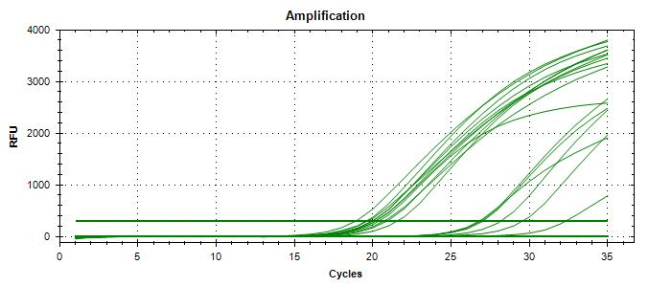
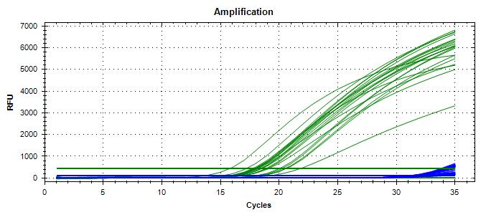
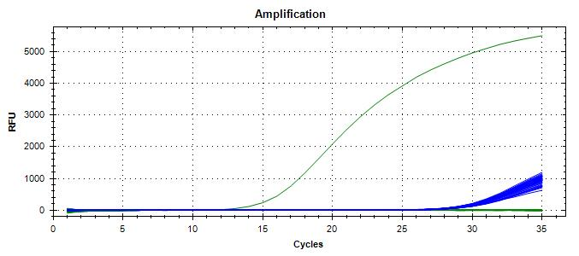
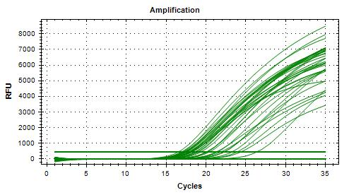
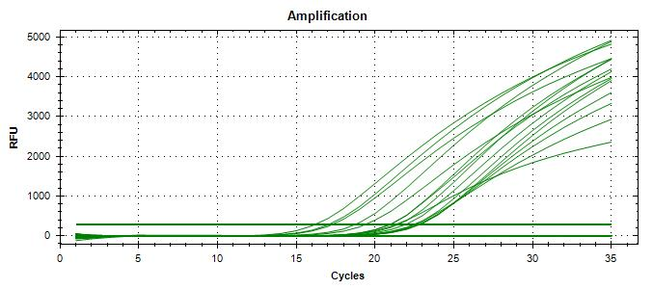
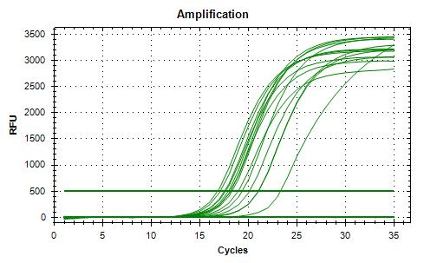
 |  |  |  |  |  |  |  |  |  | 16 | 9 | 0 | 0 |  | FP rate | 0% |  |  |  |  |  |  |  | PureGene extraction
Dilution | Rep 1 | Rep 2 | CFU/mL |  |  |  |  |  |  |  |  |  |  |  | Agreement | 100%
1.0E-04 | TNTC | TNTC | 8500
1.0E-05 | 88 | 82 | 850 | >> 588 µL + 9.4 mL peptone water >> 5 CFU/100 µL |  |  |  |  | Calculated with MAC-T agar dilutions 10-4, 10-5, and 10-6 only
1.0E-06 | 9 | 11 | 85 |  |  |  |  |  | Isolation | TP | TN | FP | FN |  | Sensitivity | 81%
Brie de Meaux
Dilution in bold used for calculations |  |  |  |  |  |  |  |  | Unspiked | 0 | 5 | 0 | 0 |  | Specificity | 100%
 |  |  |  |  |  |  |  |  | Spiked | 13 | 4 | 0 | 3 |  | FN rate | 19%
Generic E. coli BMH-22-0001 |  |  |  |  |  |  |  |  |  | 13 | 9 | 0 | 3 |  | FP rate | 0%
Plating (TSA) : | 2024-02-15 |  |  |  |  |  |  |  |  |  |  |  |  |  | Agreement | 88%
Reading : | 2024-02-16
Volume / plate : | 100 µL |  |  |  |  |  |  |  | Calculated with MAC-T agar dilutions 10-1, 10-4, 10-5, and 10-6
 |  |  |  |  |  |  |  |  | Isolation | TP | TN | FP | FN |  | Sensitivity | 100%
Dilution | Rep 1 | Rep 2 | CFU/mL |  |  |  |  |  | Unspiked | 0 | 5 | 0 | 0 |  | Specificity | 100% |  |  |  |  |  |  |  | 20240220_114041_CT036336_VT et CF
1.0E-04 | TNTC | TNTC | 9650 | >> 518 µL + 9.5 mL peptone water >> 50 CFU/100 µL |  |  |  |  | Spiked | 16 | 4 | 0 | 0 |  | FN rate | 0%
1.0E-05 | 93 | 100 | 965 |  |  |  |  |  |  | 16 | 9 | 0 | 0 |  | FP rate | 0% |  |  |  |  |  |  |  | Instagene extraction
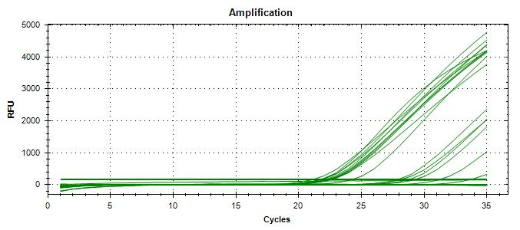
1.0E-06 | 9 | 10 | 97 |  |  |  |  |  |  |  |  |  |  |  | Agreement | 100% |  |  |  |  |  |  |  |  |  |  |  |  |  |  |  |  |  | 20240221_140520_CT036336_VT et CF |  |  |  |  |  |  | 20240222_151543_CT036336_VT et CF |  |  |  |  |  | 20240223_121746_CT036336_VT et CF.pcrd |  |  |  |  |  |  |  |  |  |  |  | 20240227_112331_CT036336_VT et CF.pcrd |  |  |  |  |  |  |  |  |  | 20240228_105716_CT036336_VT et CF.pcrd
Dilution in bold used for calculations

Brie de Meaux
VERIFICATION OF FINAL INOCULUM
VTEC E. coli BMH-13-0001 |  |  | CFU/plate
Plating (TSA) : | 2024-02-16 |  | 6 | 4 | 10 | 3 | Mean : | 5.2
Reading : | 2024-02-17 |  | 2 | 4 | 8 | 5 | POS : | 20
Volume / plate : | 100 µL |  | 5 | 3 | 3 | 5 | NEG : | 0 | << 0%
 |  |  | 7 | 7 | 7 | 7
 |  |  | 7 | 3 | 4 | 4
 |  |  |  |  |  |  |  |  |  |  |  |  |  |  |  |  |  |  |  |  |  |  |  | 20240220_153605_CT036336_VT et CF
Generic E. coli BMH-22-0001 |  |  | CFU/plate
Plating (TSA) : | 2024-02-16 |  | 51 | 56 | 36 | 37 | Mean : | 44.5 | << Actual spiking level (co-inoculum)
Reading : | 2024-02-17 |  | 52 | 51 | 31 | 29 | POS : | 20 | << 100%
Volume / plate : | 100 µL |  | 46 | 49 | 44 | 52 | NEG : | 0 | << 0%
 |  |  | 50 | 32 | 49 | 49
 |  |  | 41 | 41 | 46 | 47

BACKGROUND MICROFLORA (MFHPB-18)
Alfred le Fermier
Plating (PCA) : | 2024-02-19
Reading : | 2024-02-21
Volume / plate : | 1 mL

Dilution | Rep 1 | Rep 2 | CFU/g
1.0E-01 | TNTC | TNTC
1.0E-02 | TNTC | TNTC
1.0E-03 | TNTC | TNTC
1.0E-04 | 59 | 51 | 5.5E+05
1.0E-05 | 5 | 3
1.0E-06 | 0 | 0
1.0E-07 | 0 | 0
Dilution in bold used for calculations

Brie de Meaux
Plating (PCA) : | 2024-02-19
Reading : | 2024-02-21
Volume / plate : | 1 mL

Dilution | Rep 1 | Rep 2 | CFU/g
1.0E-01 | TNTC | TNTC
1.0E-02 | TNTC | TNTC
1.0E-03 | TNTC | TNTC
1.0E-04 | TNTC | TNTC
1.0E-05 | TNTC | TNTC
1.0E-06 | TNTC | TNTC
1.0E-07 | 58 | 52 | 5.50E+08 | (that's pretty intense…)
Dilution in bold used for calculations

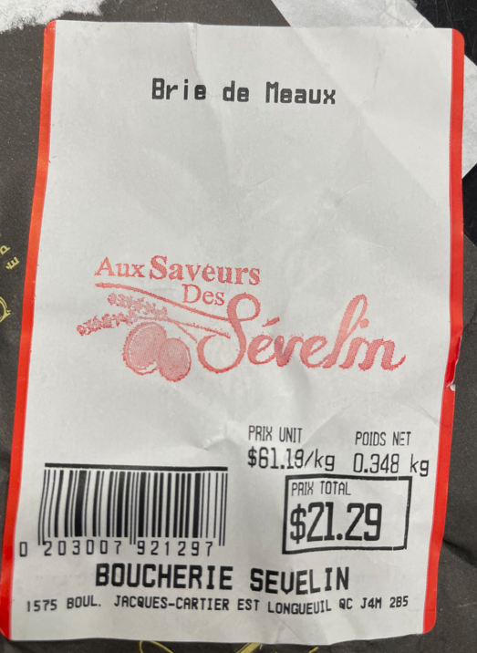
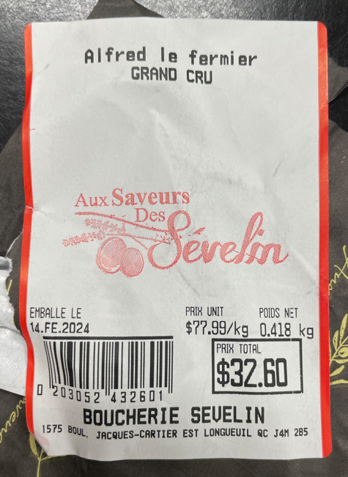

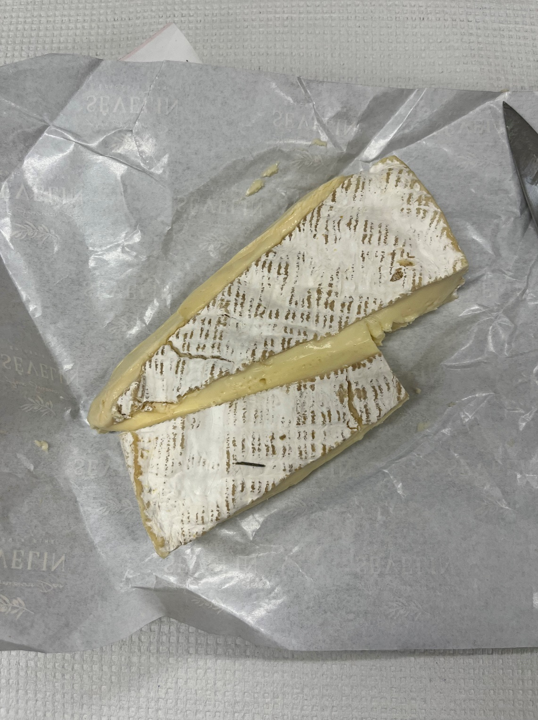
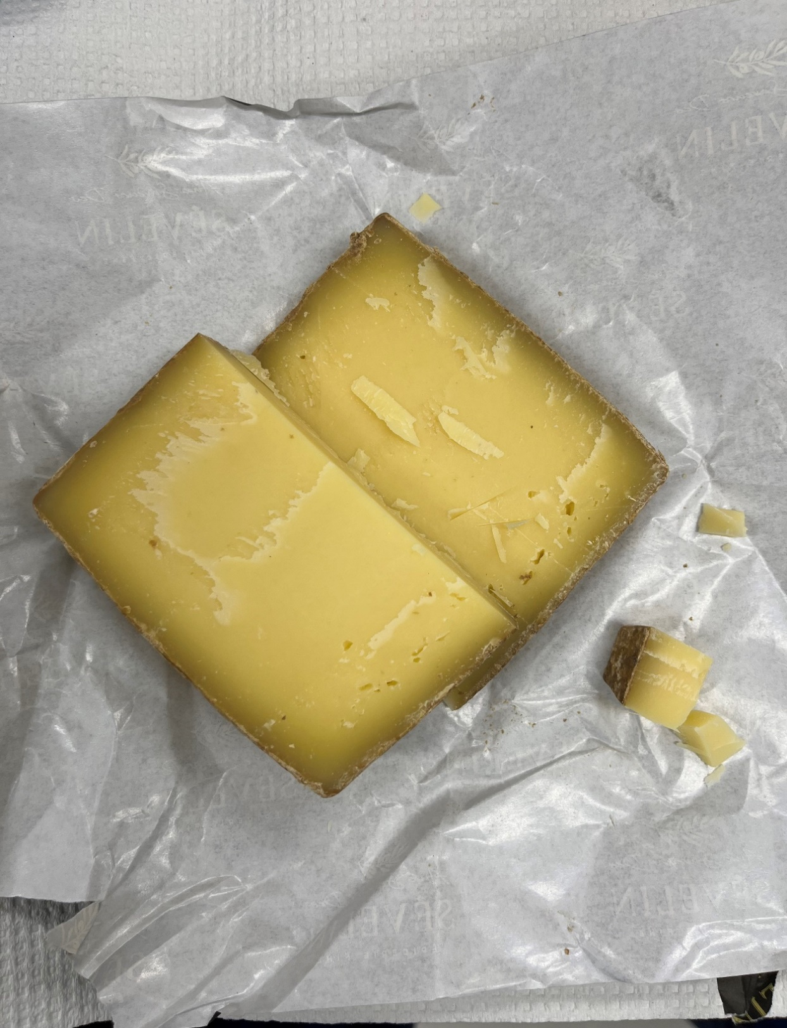

Brie de Meaux = soft cheese |  |  |  |  |  | Alfred le Fermier = hard cheese
 |  |  |  |  |  | Despite the suspicious color of the rind, it is utterly delicious

Run #2
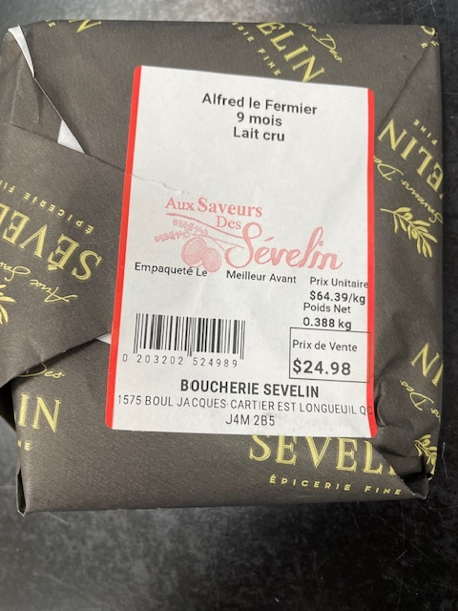
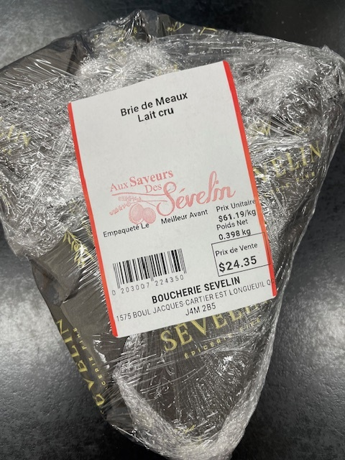
Status : | Approved
Category : | Dairy products |  |  |  |  |  |  |  | Results summary |  |  |  |  |  |  |  |  |  |  |  |  |  | Broth screening qPCR results |  |  |  |  |  |  |  |  |  | Pool screening results |  |  |  |  |  |  |  |  |  |  |  |  | Colony screening result - VT |  |  |  |  |  |  |  |  |  |  |  |  |  |  |  |  |  |  |  |  |  | CF qPCR result
Type : | Raw
Food items : | Alfred le Fermier, Brie de Meaux
Incub. Time : | 24h |  |  |  |  |  |  |  |  |  |  |  |  |  |  |  |  |  |  |  |  |  |  |  |  |  |  |  |  |  |  |  |  |  |  |  |  |  |  |  |  |  |  |  |  | Run #1 |  |  |  |  |  |  |  |  |  |  |  | Run #2
 |  |  |  |  |  |  |  |  |  |  |  | vt qPCR |  |  |  |  |  |  | Confirmation of neg. Samples |  | Sample Status |  | SGIL | Instagene (1) |  | PureGene (2) |  |  |  |  |  |  | SGIL | Pool #1 - Rainbow |  | Pool #2 - MAC-T (1) |  | Pool #3 - Rainbow |  | Pool #4 Rainbow |  | Pool #5 - Rainbow |  | Pool #6 Rainbow |  | SGIL | Pool | Colony 1 |  | Colony 2 |  | Colony 3 |  | Colony 4 |  | Colony 5 |  | Colony 6 |  | Colony 7 |  | Colony 8 |  | Colony 9 |  | Colony 10 |  | SGIL | Pool | Colony | CF qPCR
Sample Details |  |  |  |  |  |  |  |  | SGIL | Matrix | Level | Broth - Insta | Broth - Pgene | Pools | Colonies | CF qPCR | VITEK | Method result | Rainb. plate sweep | MAC-T investig. | Broth screening | Isolation |  | FAM | HEX | FAM | HEX |  |  |  |  |  |  | FAM | HEX | FAM | HEX | FAM | HEX | FAM | HEX | FAM | HEX | FAM | HEX |  |  | FAM | HEX | FAM | HEX | FAM | HEX | FAM | HEX | FAM | HEX | FAM | HEX | FAM | HEX | FAM | HEX | FAM | HEX | FAM | HEX |  |  |  | FAM | HEX
Date of spiking |  |  |  | 2024-04-19 |  |  |  |  | 2024-0118 | Alfred le Fermier | Negative | - | - | - | - | n/a | n/a | Negative | - | n/a | TN | TN | 2024-0118 | No amp. | 29.2 | No amp. | 28.9 |  | Mean Ct - Unspiked |  |  |  | 2024-0118 | No amp. | 29.6 | No amp. | 29.5 | No amp. | 29.56 | No amp. | 29.57 | No amp. | 29.69 | No amp. | 29.61 | 2024-0118 | n/a |  |  |  |  |  |  |  |  |  |  |  |  |  |  |  |  |  |  |  |  | 2024-0118
Analysis start date |  |  |  | 2024-04-22 |  |  |  |  | 2024-0119 | Alfred le Fermier | Negative | - | - | - | - | n/a | n/a | Negative | - | n/a | TN | TN | 2024-0119 | No amp. | 29.3 | No amp. | 28.9 |  | Instagene |  | PureGene |  | 2024-0119 | No amp. | 29.4 | No amp. | 29.4 | No amp. | 29.4 | No amp. | 29.3 | No amp. | 29.4 | No amp. | 29.5 | 2024-0119 | n/a |  |  |  |  |  |  |  |  |  |  |  |  |  |  |  |  |  |  |  |  | 2024-0119
Sample Size |  |  |  | 25 g |  |  |  |  | 2024-0120 | Alfred le Fermier | Negative | - | - | - | - | n/a | n/a | Negative | - | n/a | TN | TN | 2024-0120 | No amp. | 29.3 | No amp. | 29.1 |  | FAM | HEX | FAM | HEX | 2024-0120 | No amp. | 29.3 | No amp. | 29.2 | No amp. | 29.3 | No amp. | 29.4 | No amp. | 29.3 | No amp. | 29.3 | 2024-0120 | n/a |  |  |  |  |  |  |  |  |  |  |  |  |  |  |  |  |  |  |  |  | 2024-0120
Food Item #1 background microflora concentration |  |  |  | Alfred le Fermier : 4.9E+07 CFU/g |  |  |  |  | 2024-0121 | Brie de Meaux | Negative | - | - | - | - | n/a | n/a | Negative | - | n/a | TN | TN | 2024-0121 | No amp. | 29.2 | No amp. | 28.9 | AlfFred | n/a | 29.27 | n/a | 28.96 | 2024-0121 | No amp. | 29.2 | No amp. | 29.2 | No amp. | 29.5 | No amp. | 29.2 | No amp. | 29.2 | No amp. | 29.3 | 2024-0121 | n/a |  |  |  |  |  |  |  |  |  |  |  |  |  |  |  |  |  |  |  |  | 2024-0121
Food Item #2 background microflora concentration |  |  |  | Brie de Meaux : 4.2E+08 CFU/g |  |  |  |  | 2024-0122 | Brie de Meaux | Negative | - | - | - | - | n/a | n/a | Negative | - | n/a | TN | TN | 2024-0122 | No amp. | 29.1 | No amp. | 29.0 | Brie | n/a | 29.18 | n/a | 28.94 | 2024-0122 | No amp. | 29.3 | No amp. | 29.2 | No amp. | 29.2 | No amp. | 29.3 | No amp. | 29.1 | No amp. | 29.3 | 2024-0122 | n/a |  |  |  |  |  |  |  |  |  |  |  |  |  |  |  |  |  |  |  |  | 2024-0122
Method used to determine sample background microflora |  |  |  | MFHPB-18 : PCA, 35°C, 48h |  |  |  |  | 2024-0123 | Alfred le Fermier | 9.0 CFU/25 g | + | + | + | + | + | n/a | Positive | n/a | n/a | TP | TP | 2024-0123 | 24.6 | 29.0 | 24.0 | 28.5 |  |  |  |  |  | 2024-0123 | 19.0 | 29.6 | No amp. | 29.4 |  |  |  |  |  |  |  |  | 2024-0123 | 1 | 15.9 | 30.9 | 18.0 | 29.3 | 15.8 | 32.1 | 15.9 | 30.8 | 16.5 | 31.4 |  |  |  |  |  |  |  |  |  |  | 2024-0123 | 1 | 1 | 16.5 | 29.5
 |  |  |  |  |  |  |  |  | 2024-0124 | Alfred le Fermier | 9.0 CFU/25 g | + | + | + | + | + | n/a | Positive | n/a | n/a | TP | TP | 2024-0124 | 25.5 | 29.1 | 24.2 | 28.7 |  |  |  |  |  | 2024-0124 | No amp. | 29.3 | 19.9 | 29.5 |  |  |  |  |  |  |  |  | 2024-0124 | 2 | 15.6 | 31.8 | 15.3 | 32.1 | 17.0 | 30.8 | 15.8 | 30.3 | 16.1 | 31.2 |  |  |  |  |  |  |  |  |  |  | 2024-0124 | 2 | 1 | 16.2 | 29.8
Inoculum Details |  |  |  |  |  |  |  |  | 2024-0125 | Alfred le Fermier | 9.0 CFU/25 g | + | + | + | + | + | n/a | Positive | n/a | n/a | TP | TP | 2024-0125 | 25.4 | 29.4 | 24.1 | 29.0 |  |  |  |  |  | 2024-0125 | No amp. | 29.5 | 20.0 | 30.6 |  |  |  |  |  |  |  |  | 2024-0125 | 2 | No amp. | 28.9 | 21.1 | 28.9 | No amp. | 29.2 | No amp | 28.9 | 20.6 | 28.8 |  |  |  |  |  |  |  |  |  |  | 2024-0125 | 2 | 2 | 21.6 | 23.4
Strain ID |  |  |  | # BMH-13-0001, O157:H7, vtx1, stx2, eae |  |  |  |  | 2024-0126 | Alfred le Fermier | 9.0 CFU/25 g | + | + | + | + | + | n/a | Positive | n/a | n/a | TP | TP | 2024-0126 | 27.0 | 29.2 | 24.6 | 28.5 |  |  |  |  |  | 2024-0126 | No amp. | 29.2 | 22.2 | 29.4 |  |  |  |  |  |  |  |  | 2024-0126 | 2 | 18.2 | 29.3 | 20.4 | 28.6 | No amp. | 28.9 | No amp | 28.8 | No amp. | 28.8 |  |  |  |  |  |  |  |  |  |  | 2024-0126 | 2 | 1 | 19.2 | 25.2
Strain source (time of isolation, source commodity, geographic region of origin) |  |  |  | Raw milk cheese |  |  |  |  | 2024-0127 | Alfred le Fermier | 9.0 CFU/25 g | + | + | + | + | + | n/a | Positive | n/a | n/a | TP | TP | 2024-0127 | 25.4 | 29.0 | 23.4 | 28.7 |  |  |  |  |  | 2024-0127 | No amp. | 29.3 | 24.4 | 29.2 |  |  |  |  |  |  |  |  | 2024-0127 | 2 | 15.8 | 31.0 | 15.3 | 31.6 | 16.6 | 30.4 | 18.0 | 29.7 | 16.7 | 29.6 |  |  |  |  |  |  |  |  |  |  | 2024-0127 | 2 | 1 | 16.7 | 26.8
Concentration of inoculum, volume used to spike: |  |  |  | Target = 10 CFU/100 µl; Actual = 9.0 CFU/100 µL |  |  |  |  | 2024-0128 | Alfred le Fermier | 9.0 CFU/25 g | + | + | + | + | + | n/a | Positive | n/a | n/a | TP | TP | 2024-0128 | 23.9 | 28.8 | 22.9 | 28.7 |  |  |  |  |  | 2024-0128 | No amp. | 29.4 | 20.2 | 29.6 |  |  |  |  |  |  |  |  | 2024-0128 | 2 | 16.2 | 31.1 | 17.4 | 30.5 | 17.2 | 29.5 | 14.9 | 31.9 | 15.7 | 30.9 |  |  |  |  |  |  |  |  |  |  | 2024-0128 | 2 | 1 | 17.1 | 33.2
Method used to determine spiking concentration: |  |  |  | Plating onto TSA, 20 replicates, 35 °C, 18-24 h |  |  |  |  | 2024-0129 | Alfred le Fermier | 9.0 CFU/25 g | + | + | + | + | + | n/a | Positive | n/a | n/a | TP | TP | 2024-0129 | 26.1 | 29.0 | 25.5 | 29.8 |  |  |  |  |  | 2024-0129 | No amp. | 29.1 | 20.9 | 29.9 |  |  |  |  |  |  |  |  | 2024-0129 | 2 | 17.7 | 29.2 | 15.8 | 30.8 | 15.6 | 29.9 | 15.6 | 30.9 | 15.1 | 31.4 |  |  |  |  |  |  |  |  |  |  | 2024-0129 | 2 | 1 | 18.7 | 22.2
Equilibration conditions: |  |  |  | 2-8 °C, 3 days |  |  |  |  | 2024-0130 | Alfred le Fermier | 9.0 CFU/25 g | + | + | + | + | + | n/a | Positive | n/a | n/a | TP | TP | 2024-0130 | 24.1 | 28.9 | 24.0 | 30.5 |  |  |  |  |  | 2024-0130 | 19.0 | 29.8 | 20.7 | 29.2 |  |  |  |  |  |  |  |  | 2024-0130 | 2 | 17.1 | 29.9 | 14.5 | 32.7 | 15.1 | 30.9 | 16.1 | 30.2 | 16.4 | 30.3 |  |  |  |  |  |  |  |  |  |  | 2024-0130 | 2 | 1 | 18.1 | 24.6
 |  |  |  |  |  |  |  |  | 2024-0131 | Alfred le Fermier | 9.0 CFU/25 g | + | + | + | + | + | n/a | Positive | n/a | n/a | TP | TP | 2024-0131 | 26.9 | 29.0 | 25.2 | 28.7 |  |  |  |  |  | 2024-0131 | No amp. | 29.4 | 22.6 | 29.1 |  |  |  |  |  |  |  |  | 2024-0131 | 2 | 16.0 | 29.8 | 15.9 | 30.7 | 15.5 | 31.2 | 16.2 | 30.1 | 30.2 | 28.4 |  |  |  |  |  |  |  |  |  |  | 2024-0131 | 2 | 1 | 16.9 | 30.0
Was the inoculum stressed? |  |  |  |  |  | No |  |  | 2024-0132 | Alfred le Fermier | 9.0 CFU/25 g | + | + | + | + | + | n/a | Positive | n/a | n/a | TP | TP | 2024-0132 | 25.5 | 29.5 | 23.5 | 28.6 |  |  |  |  |  | 2024-0132 | No amp. | 29.2 | 21.6 | 29.5 |  |  |  |  |  |  |  |  | 2024-0132 | 2 | 15.4 | 30.7 | 15.5 | 30.5 | 16.5 | 29.7 | 15.9 | 29.6 | 17.7 | 29.5 |  |  |  |  |  |  |  |  |  |  | 2024-0132 | 2 | 1 | 16.4 | 18.6
Stressing Conditions: |  |  |  | n/a |  |  |  |  | 2024-0133 | Brie de Meaux | 9.0 CFU/25 g | + | + | - | - | n/a | n/a | Negative | n/a | + | TP | TP with -1 MAC-T | 2024-0133 | 31.5 | 29.4 | 30.0 | 28.8 |  |  |  |  |  | 2024-0133 | No amp. | 29.1 | No amp. | 29.1 | No amp. | 29.5 | No amp. | 29.9 | No amp. | 30.0 | No amp. | 29.7 | 2024-0133 |  |  |  |  |  |  |  |  |  |  |  |  |  |  |  |  |  |  |  |  |  | 2024-0133
Stress level: |  |  |  | n/a |  |  |  |  | 2024-0134 | Brie de Meaux | 9.0 CFU/25 g | + | + | + | + | + | n/a | Positive | n/a | n/a | TP | TP | 2024-0134 | 30.7 | 29.5 | 29.0 | 28.6 |  |  |  |  |  | 2024-0134 | 21.4 | 29.1 | No amp. | 29.2 |  |  |  |  |  |  |  |  | 2024-0134 | 1 | No amp. | 28.6 | 19.2 | 28.4 | No amp. | 28.5 | No amp. | 28.5 | No amp. | 28.4 |  |  |  |  |  |  |  |  |  |  | 2024-0134 | 1 | 2 | 20.5 | 27.1
How was the stress level determined? (Please include counts and agar choices) |  |  |  | n/a |  |  |  |  | 2024-0135 | Brie de Meaux | 9.0 CFU/25 g | + | + | + | + | + | n/a | Positive | n/a | n/a | TP | TP | 2024-0135 | 28.5 | 29.8 | 27.2 | 28.5 |  |  |  |  |  | 2024-0135 | No amp. | 29.2 | 22.2 | 29.4 |  |  |  |  |  |  |  |  | 2024-0135 | 2 | 15.7 | 30.3 | 17.3 | 28.7 | No amp. | 28.8 | No amp. | 28.4 | No amp. | 28.5 |  |  |  |  |  |  |  |  |  |  | 2024-0135 | 2 | 1 | 16.5 | 18.4
 |  |  |  |  |  |  |  |  | 2024-0136 | Brie de Meaux | 9.0 CFU/25 g | + | + | - | - | n/a | n/a | Negative | n/a | + | TP | TP with -1 MAC-T | 2024-0136 | 28.1 | 29.8 | 26.2 | 28.7 |  |  |  |  |  | 2024-0136 | No amp. | 29.3 | No amp. | 29.1 | No amp. | 29.9 | No amp. | 29.6 | No amp. | 29.6 | No amp. | 29.7 | 2024-0136 |  |  |  |  |  |  |  |  |  |  |  |  |  |  |  |  |  |  |  |  |  | 2024-0136
Was a Co-Inoculum Used? |  |  |  |  |  | Yes |  |  | 2024-0137 | Brie de Meaux | 9.0 CFU/25 g | + | + | + | + | + | n/a | Positive | n/a | n/a | TP | TP | 2024-0137 | 27.1 | 29.5 | 25.6 | 28.5 |  |  |  |  |  | 2024-0137 | 20.7 | 29.0 | No amp. | 29.2 |  |  |  |  |  |  |  |  | 2024-0137 | 1 | No amp. | 28.4 | No amp | 28.7 | No amp. | 28.4 | 16.2 | 30.6 | No amp. | 28.4 |  |  |  |  |  |  |  |  |  |  | 2024-0137 | 1 | 4 | 16.7 | 18.5
Strain ID of co-inoculum: |  |  |  | # BMH-22-0001, generic E. coli |  |  |  |  | 2024-0138 | Brie de Meaux | 9.0 CFU/25 g | + | + | - | - | n/a | n/a | Negative | n/a | + | TP | TP with -1 MAC-T | 2024-0138 | 29.3 | 29.2 | 28.8 | 28.5 |  | Mean Ct - High level |  |  |  | 2024-0138 | No amp. | 29.1 | No amp. | 29.2 | No amp. | 29.6 | No amp. | 29.8 | No amp. | 29.8 | No amp. | 29.7 | 2024-0138 |  |  |  |  |  |  |  |  |  |  |  |  |  |  |  |  |  |  |  |  |  | 2024-0138
Strain source |  |  |  | Kimchi |  |  |  |  | 2024-0139 | Brie de Meaux | 9.0 CFU/25 g | + | + | + | + | + | n/a | Positive | n/a | n/a | TP | TP | 2024-0139 | 24.5 | 29.1 | 26.4 | 28.3 |  | Instagene |  | PureGene |  | 2024-0139 | 19.5 | 29.4 | No amp. | 29.2 |  |  |  |  |  |  |  |  | 2024-0139 | 1 | No amp. | 28.8 | No amp. | 29.0 | No amp. | 28.9 | 16.4 | 30.5 | No amp. | 28.7 |  |  |  |  |  |  |  |  |  |  | 2024-0139 | 1 | 4 | 16.8 | 30.9
Where all spiked samples co-inoculated? |  |  |  | Yes |  |  |  |  | 2024-0140 | Brie de Meaux | 9.0 CFU/25 g | + | + | - | - | n/a | n/a | Negative | n/a | + | TP | TP with -1 MAC-T | 2024-0140 | 28.2 | 30.6 | 26.4 | 28.4 |  | FAM | HEX | FAM | HEX | 2024-0140 | No amp. | 29.4 | No amp. | 29.3 | No amp. | 29.8 | No amp. | 29.7 | No amp. | 29.8 | No amp. | 29.8 | 2024-0140 |  |  |  |  |  |  |  |  |  |  |  |  |  |  |  |  |  |  |  |  |  | 2024-0140
Concentration of inoculum, volume used to spike: |  |  |  | Target = 100 CFU/100 µL; Actual = 94 CFU/100 µL |  |  |  |  | 2024-0141 | Brie de Meaux | 9.0 CFU/25 g | + | + | + | + | + | n/a | Positive | n/a | n/a | TP | TP | 2024-0141 | 27.8 | 29.6 | 27.3 | 28.6 | Alfred | 25.44 | 29.10 | 24.15 | 28.97 | 2024-0141 | No amp. | 29.2 | 21.2 | 29.2 |  |  |  |  |  |  |  |  | 2024-0141 | 2 | 15.12 | 31.3 | No amp. | 29.1 | 19.37 | 29.5 | No amp. | 28.9 | No amp. | 28.3 |  |  |  |  |  |  |  |  |  |  | 2024-0141 | 2 | 1 | 16.0 | 27.7
Stressing conditions (if applicable): |  |  |  | n/a |  |  |  |  | 2024-0142 | Brie de Meaux | 9.0 CFU/25 g | + | + | + | + | + | n/a | Positive | n/a | n/a | TP | TP | 2024-0142 | 29.1 | 29.6 | 28.4 | 28.6 | Brie | 28.47 | 29.61 | 27.54 | 28.54 | 2024-0142 | No amp. | 29.3 | 22.2 | 29.2 |  |  |  |  |  |  |  |  | 2024-0142 | 2 | No amp. | 28.3 | No amp. | 28.5 | No amp. | 28.3 | No amp. | 28.2 | No amp. | 28.8 | No amp. | 26.5 | No amp. | 26.7 | No amp. | 26.7 | No amp. | 26.7 | 14.9 | 27.6 | 2024-0142 | 2 | 10 | 14.9 | 17.1
Stress level (if applicable): |  |  |  | n/a |  |  |  |  |  |  |  |  |  |  |  |  |  |  |  |  |  |  | CP | 22.9 | 28.4 | 21.6 | 28.1 |  |  |  |  |  | CP | 15.9 | 29.6 | 17.8 | 29.8 |  |  |  |  |  |  |  |  | CP | - | 17.09 | 28.0 |  |  |  |  |  |  |  |  |  |  |  |  |  |  |  |  |  |  | CP | - | - | 18.2 | 27.7
How was the stress level determined? (Please include counts and agar choices) (if applicable) |  |  |  | n/a |  |  |  |  |  |  |  |  |  |  |  |  |  |  |  |  |  |  | CN | No amp. | 28.7 | No amp. | 28.8 |  |  |  |  |  | CN | No amp. | 29.5 | No amp. | 29.4 | No amp. | 29.2 | No amp. | 29.4 | No amp. | 29.2 | No amp. | 29.1 | CN | - | No amp. | 28.5 |  |  |  |  |  |  |  |  |  |  |  |  |  |  |  |  |  |  | CN | - | - | No amp. | 26.8
 |  |  |  |  |  |  |  |  |  |  |  |  |  |  |  |  |  |  |  |  |  |  | CS | No amp. | 28.6 | No amp. | 28.8 |  |  |  |  |  | NTC | No amp. | 29.8 |  |  |  |  |  |  |  |  |  |  | NTC | - | No amp. | 29.0 |  |  |  |  |  |  |  |  |  |  |  |  |  |  |  |  |  |  | NTC | - | - | No amp. | 27.3
PREPARATION OF INOCULUM |  |  |  |  |  |  |  |  |  |  |  |  |  |  |  |  |  |  |  |  |  |  | NTC | No amp. | 28.4 | No amp. | 28.4 |  |  |  |  |  | Raw data file : 20240424_133809_CT036336_VT et CF.pcrd |  |  |  |  |  |  |  |  |  |  |  |  | Raw data file : 20240425_132353_CT036336_VT et CF.pcrd |  |  |  |  |  |  |  |  |  |  |  | Raw data file : 20240429_115953_CT036336_VT et CF.pcrd |  |  |  |  |  |  |  |  |  | Raw data file : 20240506_114252_CT036336_VT et CF.pcrd
VTEC E. coli BMH-13-0001 |  |  |  |  |  |  |  |  |  |  |  |  |  |  |  |  |  |  |  |  |  |  | Raw data file : 20240423_121757_CT036336_VT et CF.pcrd |  |  |  |  |  |  |  |  |  | Raw data file : 20240425_103307_CT036336_VT et CF.pcrd
Plating (TSA) : | 2024-04-18 |  |  |  |  |  |  |  | Screening | TP | TN | FP | FN |  | Sensitivity | 100%
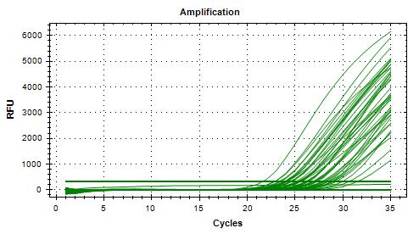
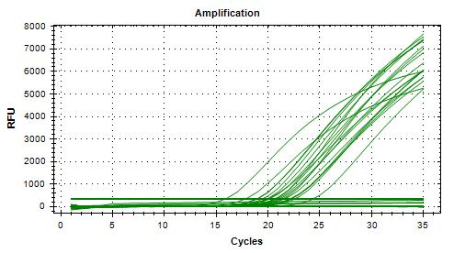
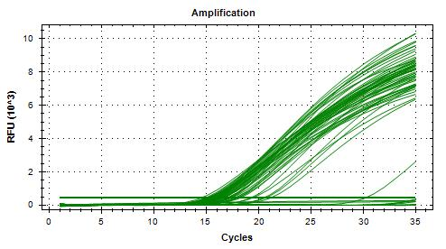
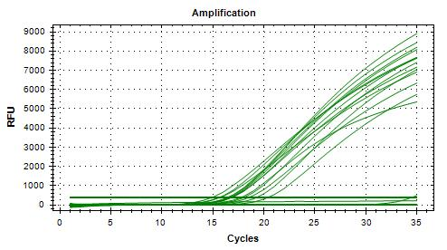
Reading : | 2024-04-19 |  |  |  |  |  |  |  | Unspiked | 0 | 5 | 0 | 0 |  | Specificity | 100%
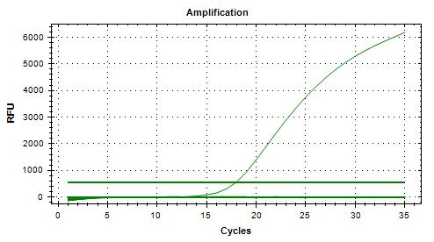
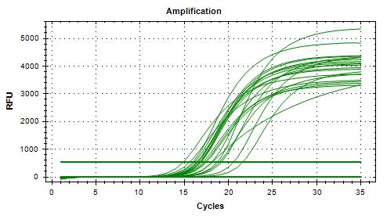
Volume / plate : | 100 µL |  |  |  |  |  |  |  | Spiked | 20 | 0 | 0 | 0 |  | FN rate | 0%
 |  |  |  |  |  |  |  |  |  | 20 | 5 | 0 | 0 |  | FP rate | 0%
Dilution | Rep 1 | Rep 2 | CFU/mL |  |  |  |  |  |  |  |  |  |  |  | Agreement | 100%
1.0E-04 | >300 | >300 | 9500
1.0E-05 | 99 | 91 | 950 | >> 1.05 mL + 8.95 mL peptone water = 10 CFU/100 µL |  |  |  |  | Calculated with MAC-T agar dilutions 10-4, 10-5, and 10-6 only
1.0E-06 | 4 | 8 | 95 |  |  |  |  |  | Isolation | TP | TN | FP | FN |  | Sensitivity | 80%
Dilution in bold used for calculations |  |  |  |  |  |  |  |  | Unspiked | 0 | 5 | 0 | 0 |  | Specificity | 100%
 |  |  |  |  |  |  |  |  | Spiked | 16 | 0 | 0 | 4 |  | FN rate | 20%
Generic E. coli BMH-22-0001 |  |  |  |  |  |  |  |  |  | 16 | 5 | 0 | 4 |  | FP rate | 0%
Plating (TSA) : | 2024-04-18 |  |  |  |  |  |  |  |  |  |  |  |  |  | Agreement | 84%
Reading : | 2024-04-19
Volume / plate : | 100 µL |  |  |  |  |  |  |  | Calculated with MAC-T agar dilutions 10-1, 10-4, 10-5, and 10-6
 |  |  |  |  |  |  |  |  | Isolation | TP | TN | FP | FN |  | Sensitivity | 100%
Dilution | Rep 1 | Rep 2 | CFU/mL |  |  |  |  |  | Unspiked | 0 | 5 | 0 | 0 |  | Specificity | 100%
1.0E-04 | >300 | >300 | 9450 | >> 1.06 mL + 8.94 mL peptone water = 100 CFU/100 µL |  |  |  |  | Spiked | 20 | 0 | 0 | 0 |  | FN rate | 0% |  |  |  |  |  |  | 20240423_121757_CT036336_VT et CF |  |  |  |  |  |  |  |  |  | 20240424_133809_CT036336_VT et CF |  |  |  |  |  |  | 20240425_103307_CT036336_VT et CF |  |  |  |  |  | 20240425_132353_CT036336_VT et CF |  |  |  |  |  |  |  |  |  |  |  | 20240429_115953_CT036336_VT et CF |  |  |  |  |  |  |  |  |  | 20240506_114252_CT036336_VT et CF
1.0E-05 | 96 | 93 | 945 |  |  |  |  |  |  | 20 | 5 | 0 | 0 |  | FP rate | 0%
1.0E-06 | 6 | 11 | 95 |  |  |  |  |  |  |  |  |  |  |  | Agreement | 100%
Dilution in bold used for calculations

VERIFICATION OF FINAL INOCULUM
VTEC E. coli BMH-13-0001 |  |  | CFU/plate
Plating (TSA) : | 2024-04-19 |  | 9 | 11 | 8 | 7 | Mean : | 9.0 | << Actual spiking level (target)
Reading : | 2024-04-20 |  | 8 | 6 | 10 | 11 | POS : | 20 | << 100%
Volume / plate : | 100 µL |  | 9 | 10 | 14 | 9 | NEG : | 0 | << 0%
 |  |  | 9 | 5 | 12 | 12
 |  |  | 12 | 2 | 7 | 9

Generic E. coli BMH-22-0001 |  |  | CFU/plate
Plating (TSA) : | 2024-04-19 |  | 98 | 72 | 93 | 94 | Mean : | 94.4 | << Actual spiking level (co-inoculum)
Reading : | 2024-04-20 |  | 87 | 88 | 97 | 96 | POS : | 20 | << 100%
Volume / plate : | 100 µL |  | 101 | 100 | 89 | 110 | NEG : | 0 | << 0%
 |  |  | 104 | 100 | 108 | 96
 |  |  | 87 | 95 | 92 | 81

BACKGROUND MICROFLORA (MFHPB-18)
Alfred le Fermier
Plating (PCA) : | 2024-04-22
Reading : | 2024-04-24
Volume / plate : | 1 mL

Dilution | Rep 1 | Rep 2 | CFU/g
1.0E-01 | TNTC | TNTC
1.0E-02 | TNTC | TNTC
1.0E-03 | TNTC | TNTC
1.0E-04 | TNTC | TNTC
1.0E-05 | TNTC | TNTC
1.0E-06 | 47 | 50 | 4.85E+07
1.0E-07 | 7 | 3
Dilution in bold used for calculations

Brie de Meaux
Plating (PCA) : | 2024-04-22
Reading : | 2024-04-24
Volume / plate : | 1 mL

Dilution | Rep 1 | Rep 2 | CFU/g
1.0E-01 | TNTC | TNTC
1.0E-02 | TNTC | TNTC
1.0E-03 | TNTC | TNTC
1.0E-04 | TNTC | TNTC
1.0E-05 | TNTC | TNTC
1.0E-06 | TNTC | TNTC
1.0E-07 | 39 | 44 | 4.15E+08
Dilution in bold used for calculations

